Sheet1
https://chatgpt.com/c/68cc8270-546c-8330-a492-ef22c5d2f418

carboniferous system

create a readme about the system or another file to rference in chat
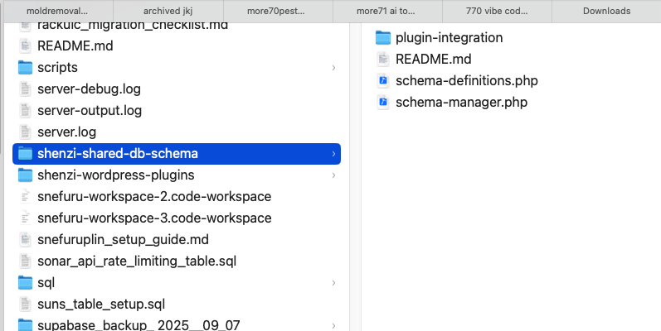

jurassic definition

inside the /shenzi-wordpress-plugins/ folder somewhere

triassic

on each plugin

shortcode architecture review needed

must solve why shortcodes are timing out / causing issues with zen_services default data in the general shortcodes mar of grove plugin, etc.

Cambrian
Silurian
Devonian
Permian

Triassic
Jurassic
Cretaceous

